Sheet1
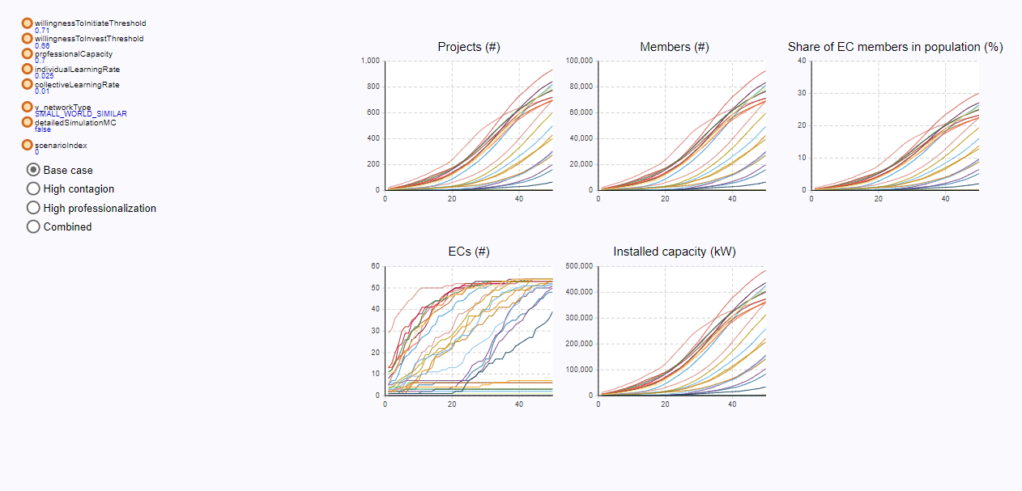
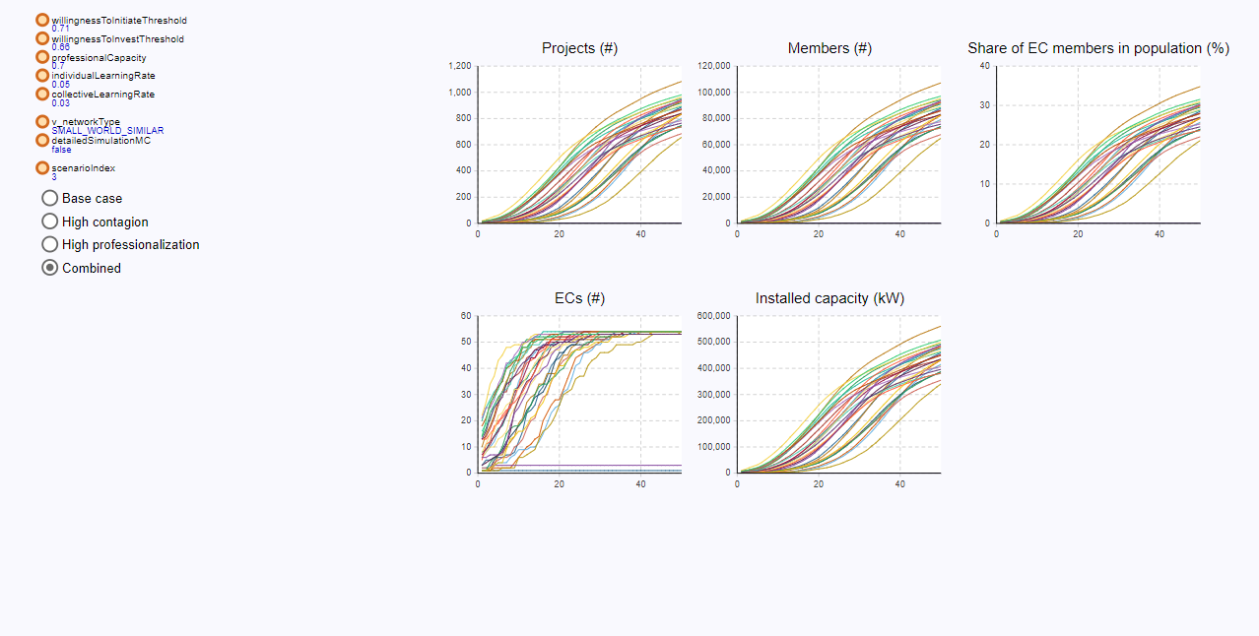
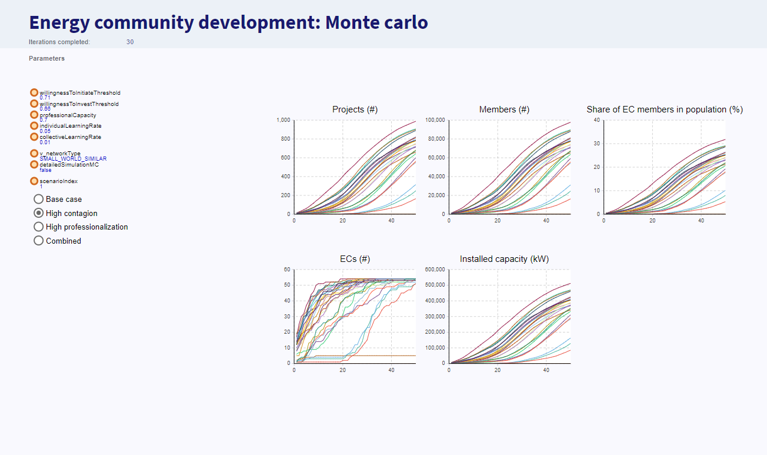
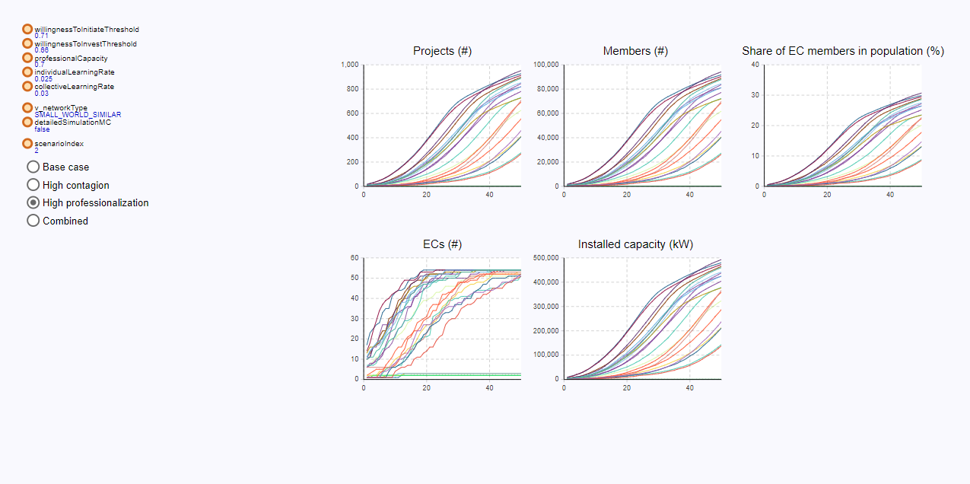
 | base case | social contagion high | professionalization high | both high
willing to initiate | 0.71 | 0.71
willing to invest | 0.66 | 0.66
professional capacity | 0.7 | 0.7
individual learning rate | 0.025 | 0.05
collective learning rate | 0.01 | 0.005
network structure | SMALL_SCALE_SIMILAR | SMALL_SCALE_SIMILAR | SMALL_SCALE_SIMILAR | SMALL_SCALE_SIMILAR

 |  | Bit slow in uptake
 |  | Not enough projects fo learnng

Sheet2
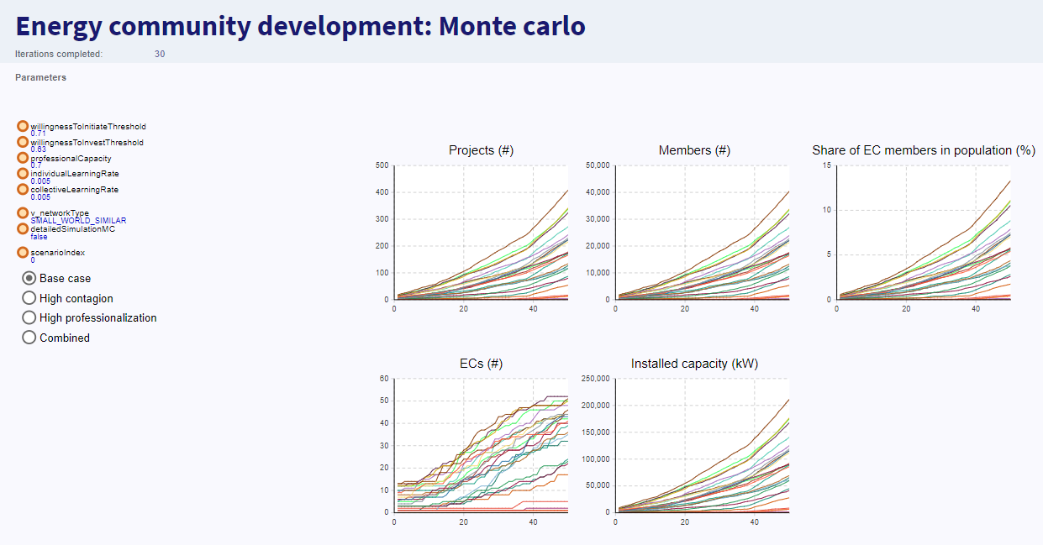
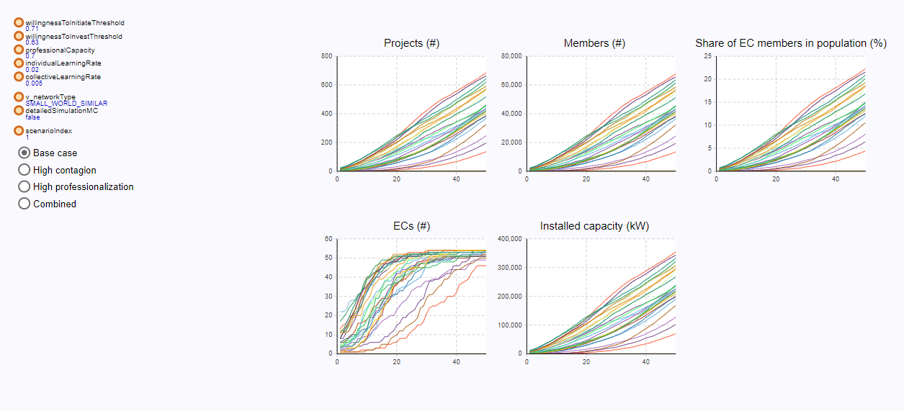

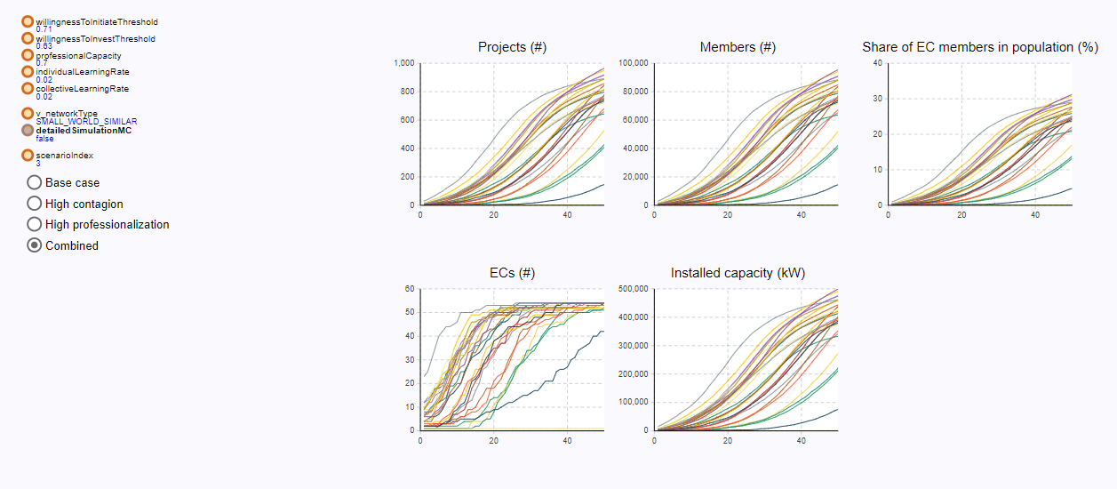

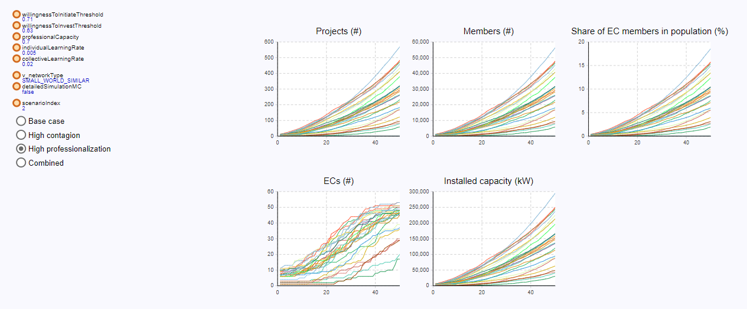

Sheet3
